Sheet1
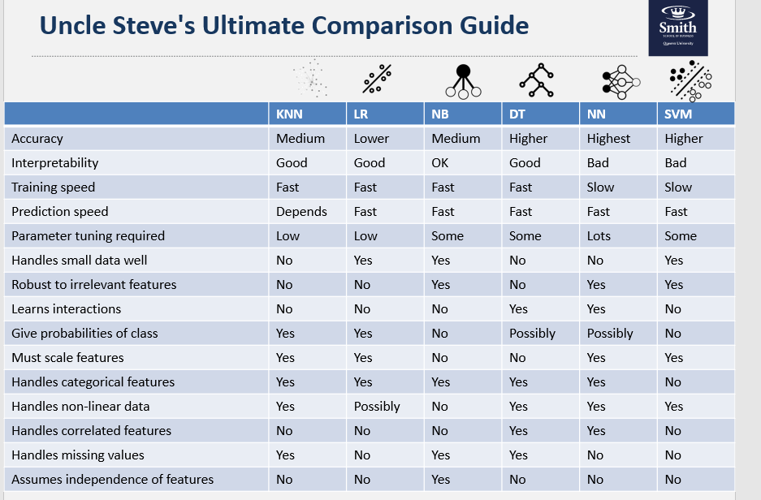
Model | Hyperparameter 1 | Hyperparameter 2 | Hyperparameter 3 | Hyperparameter 4 | F1 | AUC | Accuracy | Sensitivity | Specificity
Logistic Regression | stepwise |  |  |  | 0.84 | 0.88 | 0.81 | 0.81 | 0.80
Random Forest | ntree=500 | mtry=10 | nodesize=20 | maxnodes=20 | 0.85 | 0.87 | 0.82 | 0.83 | 0.79
Logistic Regression | No stepwise |  |  |  | 0.83 | 0.87 | 0.80 | 0.80 | 0.80
XGBoost | eta=0.1 | max_depth=20 | nround=50 |  | 0.82 | 0.87 | 0.79 | 0.79 | 0.79
XGBoost | eta=0.1 | max_depth=100 | nround=100 |  | 0.83 | 0.87 | 0.80 | 0.79 | 0.81
Random Forest | ntree=100 | mtry=2 | nodesize=20 | maxnodes=20 | 0.81 | 0.86 | 0.77 | 0.79 | 0.73
XGBoost | eta=0.1 | max_depth=5 | nround=5 |  | 0.79 | 0.85 | 0.77 | 0.88 | 0.70
Decision Tree | mincriterion=0.9 | minsplit=5 | maxdepth=10 | minbucket=5 | 0.83 | 0.84 | 0.80 | 0.79 | 0.81
Decision Tree | mincriterion=0.9 | minsplit=100 | maxdepth=50 | minbucket=1 | 0.83 | 0.84 | 0.80 | 0.79 | 0.80
Decision Tree | mincriterion=0.9 | minsplit=500 | maxdepth=100 | minbucket=10 | 0.83 | 0.78 | 0.79 | 0.85 | 0.70
Random Forest | ntree=5 | mtry=1 | nodesize=10 | maxnodes=10 | 0.75 | 0.67 | 0.65 | 0.85 | 0.34

